SEPTEMBER
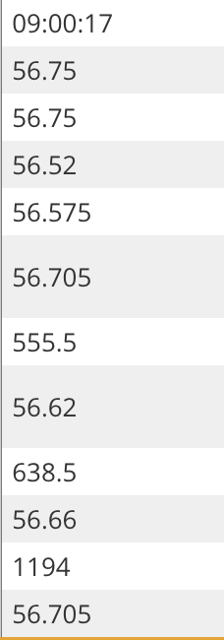
 | 2023-09-01 | 2023-09-04 | 2023-09-05 | 2023-09-06 | 2023-09-07 | 2023-09-08 | 2023-09-11 | 2023-09-12 | 2023-09-13 | 2023-09-14 | 2023-09-15 | 2023-09-18 | 2023-09-19 | 2023-09-20 | 2023-09-21 | 2023-09-22 | 2023-09-25 | 2023-09-26 | 2023-09-27 | 2023-09-28 | 2023-09-29 | 2023-10-02 | 2023-10-03
TIME | NO TRADING in USD/PHP Foreign Exchange Markets | 9:00:22 | 9:00:47 | 9:00:20 | 9:00:13 | 9:00:26 | 9:01:31 | 9:00:19 | 9:03:12 | 9:00:22 | 9:00:15 | 9:00:44 | 9:02:20 | 9:01:27 | 9 :00:02 | 9:02:54 | 9:03:59 | 9:02:00 | 9:00:15 | 9:00:12 | 9:00:17
OPEN |  | 56.65 | 56.7 | 56.9 | 56.85 | 56.74 | 56.63 | 56.72 | 56.68 | 56.665 | 56.78 | 56.8 | 56.71 | 56.7 | 56.9 | 56.85 | 56.795 | 56.85 | 56.9 | 56.888 | 56.75
HIGH |  | 56.66 | 56.9 | 56.99 | 56.97 | 56.785 | 56.695 | 56.79 | 56.73 | 56.78 | 56.9 | 56.875 | 56.83 | 56.824 | 56.95 | 56.9 | 56.81 | 56.98 | 56.98 | 56.98 | 56.75
LOW |  | 56.49 | 56.68 | 56.8 | 56.77 | 56.56 | 56.53 | 56.63 | 56.6 | 56.65 | 56.78 | 56.74 | 56.7 | 56.7 | 56.82 | 56.765 | 56.735 | 56.85 | 56.87 | 56.888 | 56.52
CLOSE |  | 56.62 | 56.8 | 56.94 | 56.79 | 56.63 | 56.69 | 56.65 | 56.72 | 56.765 | 56.815 | 56.866 | 56.755 | 56.81 | 56.855 | 56.795 | 56.785 | 56.955 | 56.95 | 56.98 | 56.575
BAP AM WEIGHTED AVERAGE |  | 56.552 | 56.759 | 56.939 | 56.867 | 56.685 | 56.618 | 56.741 | 56.678 | 56.709 | 56.83 | 56.807 | 56.759 | 56.775 | 56.933 | 56.859 | 56.784 | 56.887 | 56.949 | 56.961 | 56.705
AM VOLUME |  | 971.85 | 725.3 | 777 | 799 | 866 | 594 | 571.18 | 568.15 | 787.85 | 587.4 | 374.5 | 664 | 513 | 385.8 | 525.12 | 356.5 | 599.2 | 996.9 | 498.1 | 555.5
BAP PM WEIGHTED AVERAGE |  | 56.595 | 56.815 | 56.938 | 56.826 | 56.629 | 56.646 | 56.68 | 56.666 | 56.732 | 56.848 | 56.844 | 56.785 | 56.79 | 56.886 | 56.812 | 56.779 | 56.941 | 56.911 | 56.96 | 56.62
PM VOLUME |  | 615.2 | 797.5 | 578.6 | 646.2 | 752.2 | 592.6 | 540 | 456.55 | 385.8 | 472.01 | 446.6 | 509 | 322.5 | 429.48 | 469.19 | 548.4 | 458 | 349 | 482.5 | 638.5
BAP WEIGHTED AVERAGE |  | 56.569 | 56.788 | 56.938 | 56.849 | 56.659 | 56.632 | 56.711 | 56.673 | 56.716 | 56.838 | 56.827 | 56.77 | 56.78 | 56.908 | 56.837 | 56.781 | 56.911 | 56.939 | 56.961 | 56.66
TOTAL VOLUME |  | 1587.05 | 1522.8 | 1355.6 | 1445.2 | 1618.2 | 1186.6 | 1111.18 | 1024.7 | 1173.65 | 1059.41 | 821.1 | 1173 | 835.5 | 815.28 | 994.31 | 904.9 | 1057.2 | 1345.9 | 980.6 | 1194
FX SETTLEMENT RATE |  | 56.552 | 56.759 | 56.939 | 56.867 | 56.685 | 56.618 | 56.741 | 56.678 | 56.709 | 56.83 | 56.807 | 56.759 | 56.775 | 56.933 | 56.859 | 56.784 | 56.887 | 56.949 | 56.961 | 56.705

